mixed Intg PL
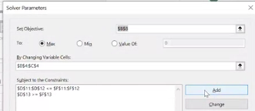
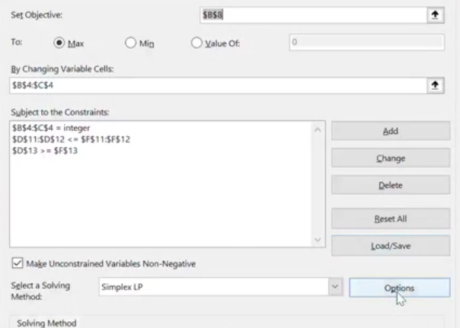
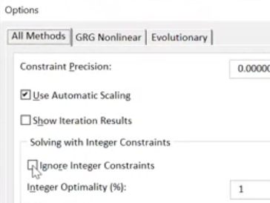
 | Max audience adds | others timetable adds |  |  |  | 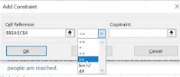
Variable | 4 | 1 | PROBLEM! Warning , do not round your answer!!
 | 8200 | 5100 | modify in solver:

Objetive: |  |  |  |  |  |  | *put again the reference cells of my variantes cells
Max audience: | 37900

 | Max audience adds | others timetable adds | Contrainst:
Cost | $390 | $240 | 1800 | <= | 1800
 |  |  | 4 | >= | 2 |  |  | *HAS TO BE WITHOUT STICK!
 |  |  | 1 | <= | 6

binary example investment
